BVT
Feature | BVT | Steps | Output | Edge | Chrome | Internet Explorer | Desktop
1 | Basic Brick chart | 1. Drag 'Manufacturer' into 'Category' field 2. Drag 'Total unit YTD' into 'Value' field | Display basic Brick chart | 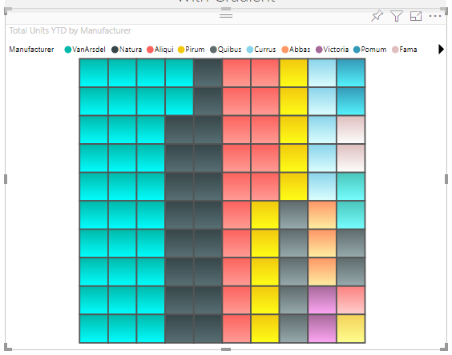 |  | 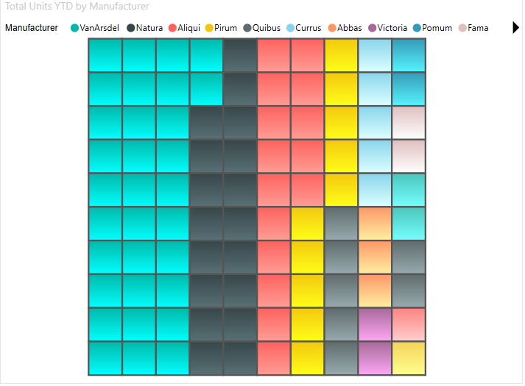 | 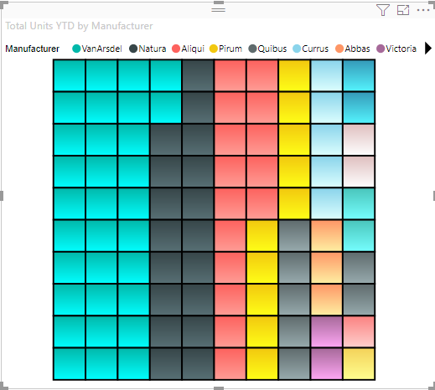
2 | Border color for each cell | 1. Go to formatting pane 2. Go to 'General' option 3. Update 'Border Color' to 'yellow' | Border Color will be set to 'yellow' |  |  | 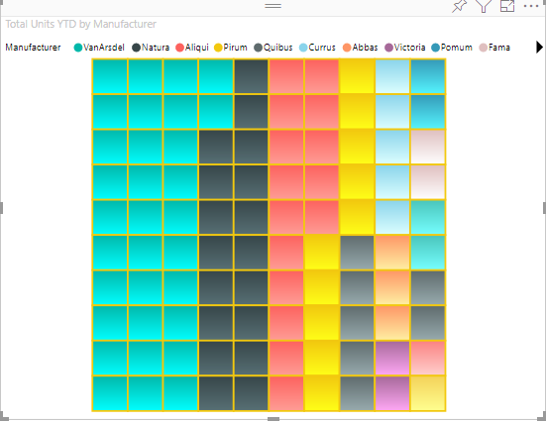 | 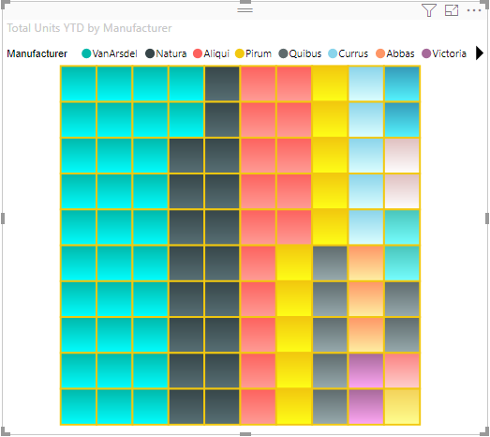
3 | Update position, title, legend name, color and text size for legend | 1. Go to formatting pane 2. Go to 'Legend' option 3. Switch the toggle on 4. Update 'Position' to 'Bottom' 5. Switch the toggle on for 'Title' 6. Update 'Legend name' to 'buyers name' 7. Update 'Color' to 'black' 8. Update 'Text size' to '14' | 1. Legend will be displayed 2. Legend 'Position' will be displayed to 'Bottom' 3. Legend 'Title' will be displayed 4. Legend name will be set to 'buyers name' 5. Legends 'Text color' will be set to 'black' 6. Legend 'Text size' will be resized to '14px' |  |  | 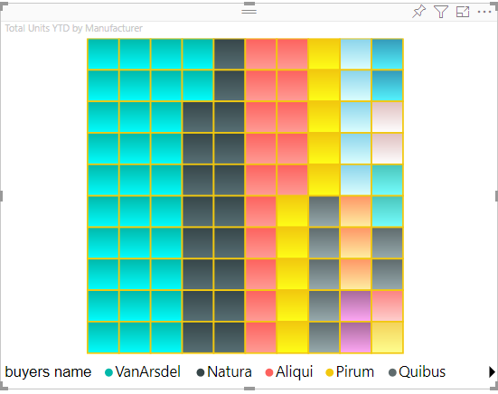 | 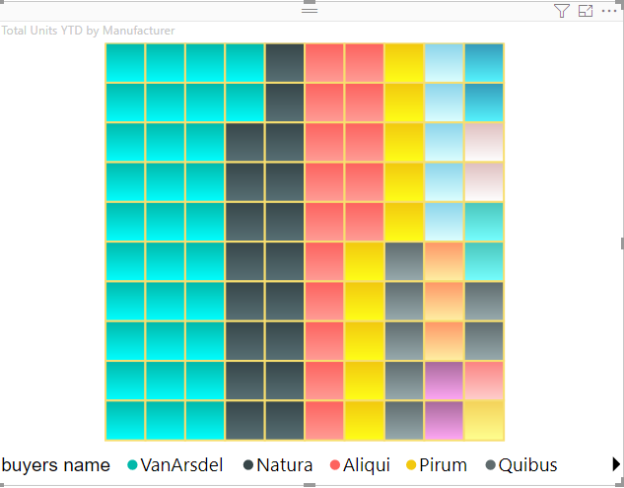
4 | Change Data Color | 1. Go to formatting pane 2. Go to 'Data Colors' 3. Update color of first category to 'red' | Data Color should be changed to red |  |  | 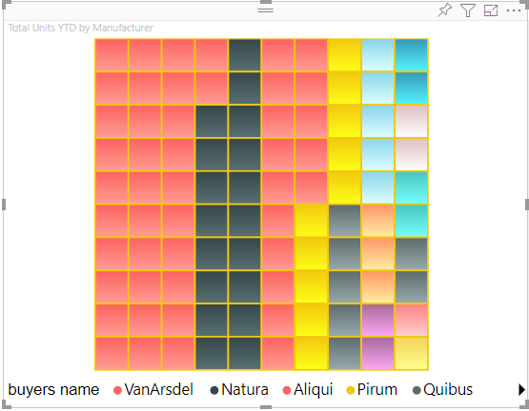 | 
5 | Gradient | 1. Go to formatting pane 2. Toggle 'Gradient' to off | Gradient should not be seen in data points | 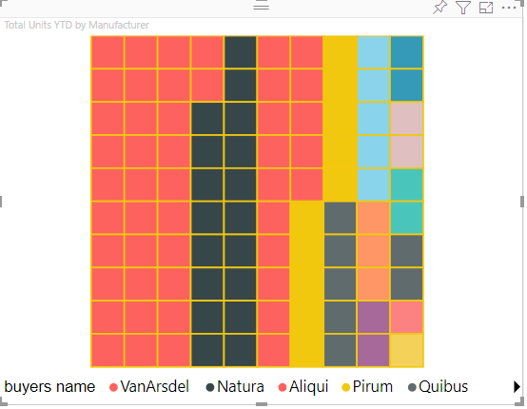 |  |  | 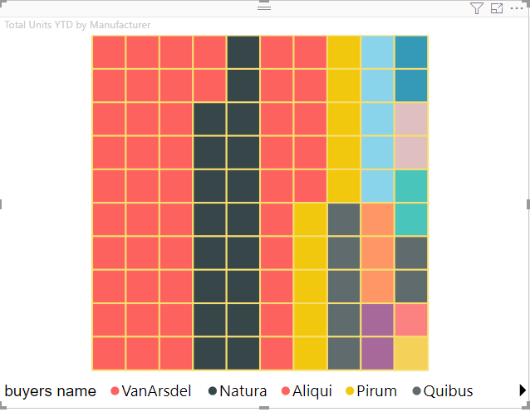
6 | Animation | 1. Go to formatting pane 2. Toggle 'Animation' to off | Animation should be turned off
7 | Shape | 1. Go to formatting pane 2. Update 'Box shape' to rectangle 3. Update 'Brick type' to Dot | 1. The shape of the chart should be turned to 'rectangle' 2. The data points should be dispayed as 'Dot' | 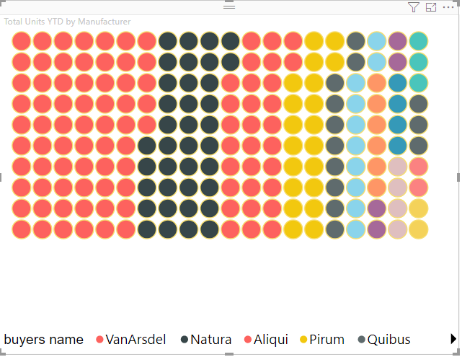
8 | JS Exception check | 1. Click on the legend and bricks. 2. Change the shape of the brick 3. Click on the spaces between the bricks | 1. Legend and brick click must cross-filter values in other visuals and the selected bricks must have higher transparency 2. No console errors must be occurring due to any of the clicks | 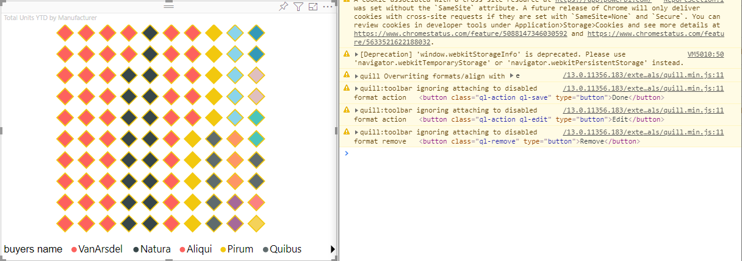 |  |  | 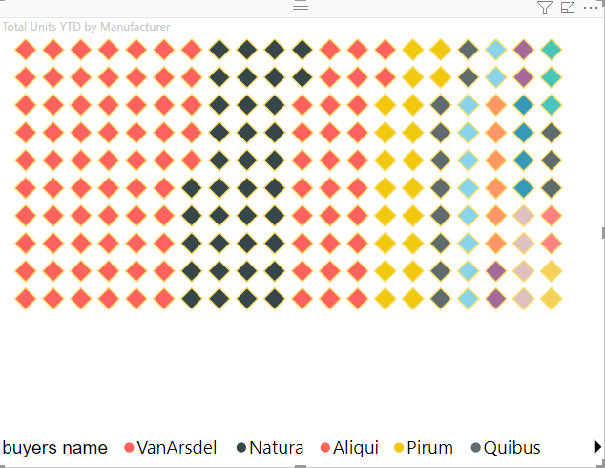
9 | Drillthrough | 1.Generate a chart with some data 2.Create new report page and in DrillThrough add the fields for drillthrough. 3. Right click on the chart, select the Drillthrough option from the menu. | 1. On right click of the chart and selecting the drillthrough option from the context-menu , the report will drillthrough to the newly created report page. | 